Interleaving Spurs
Single Channel mode | Dual Channel mode
Spurs increment at every Fs/16, starting at Fs/16, ending at Fs/2 | Spurs increment at every Fs/8, starting at Fs/8, ending at Fs/2
example: 12bit single mode at 640MSPS, interleaving spurs starts at 40MHz, increments by 40MHz | example: 12bit dual mode at 200MSPS, interleaving spurs starts at 25MHz, increments by 25MHz
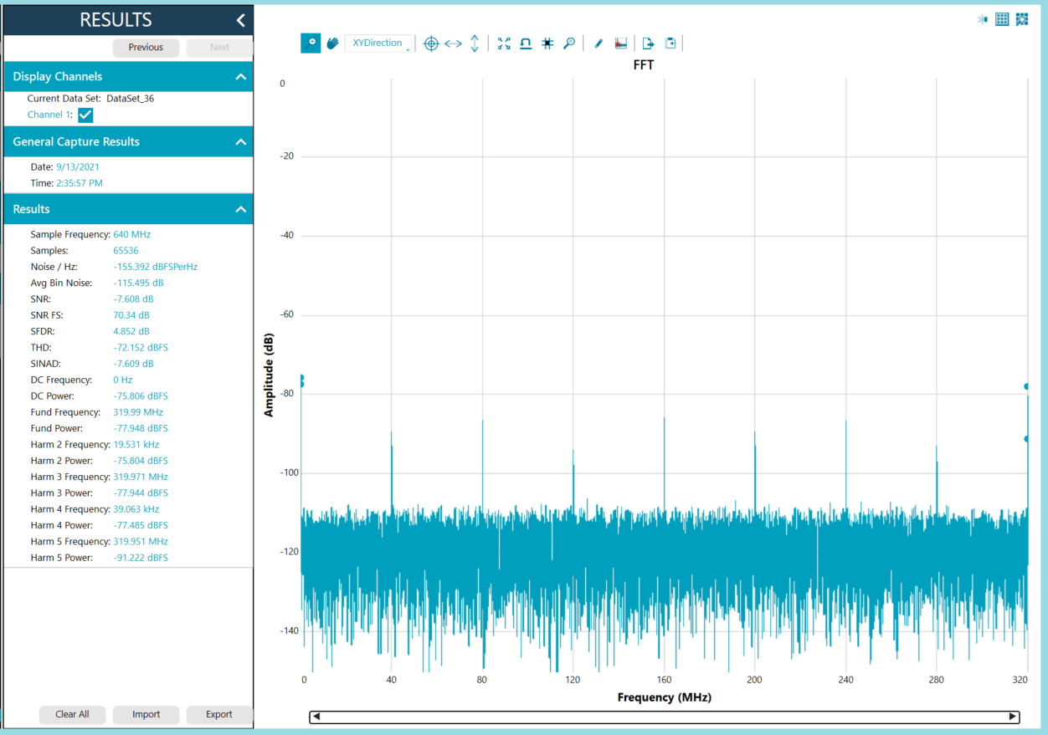
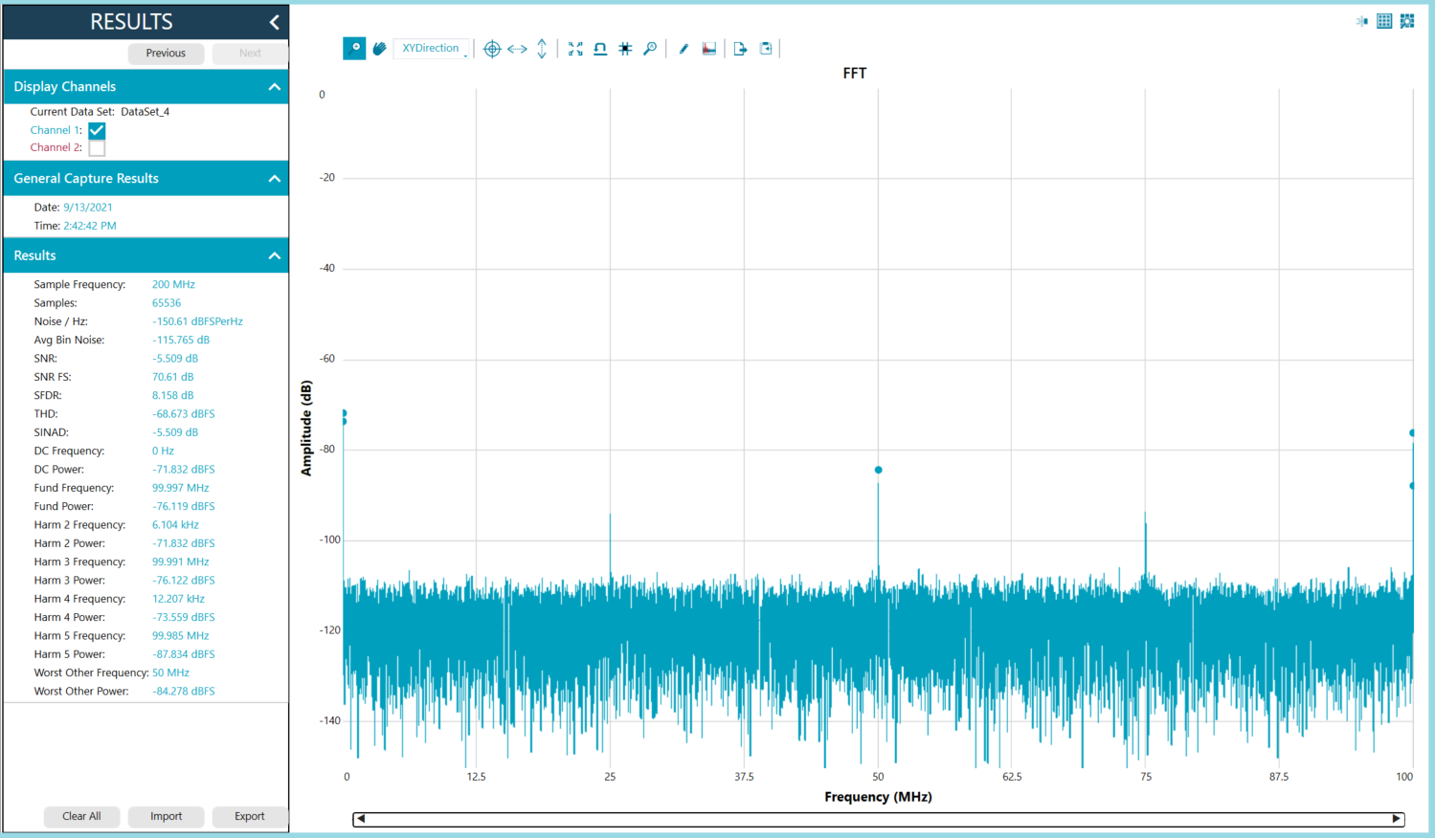

Quad Mode | Summary
Spurs increment at every Fs/4, starting at Fs/4, ending at Fs/2 | Spurs will be located at:
example: 12bit dual mode at 150MSPS, interleaving spurs starts at 37.5MHz, increments by 37.5MHz | Single-channel mode | Dual-channel mode | Quad-channel mode
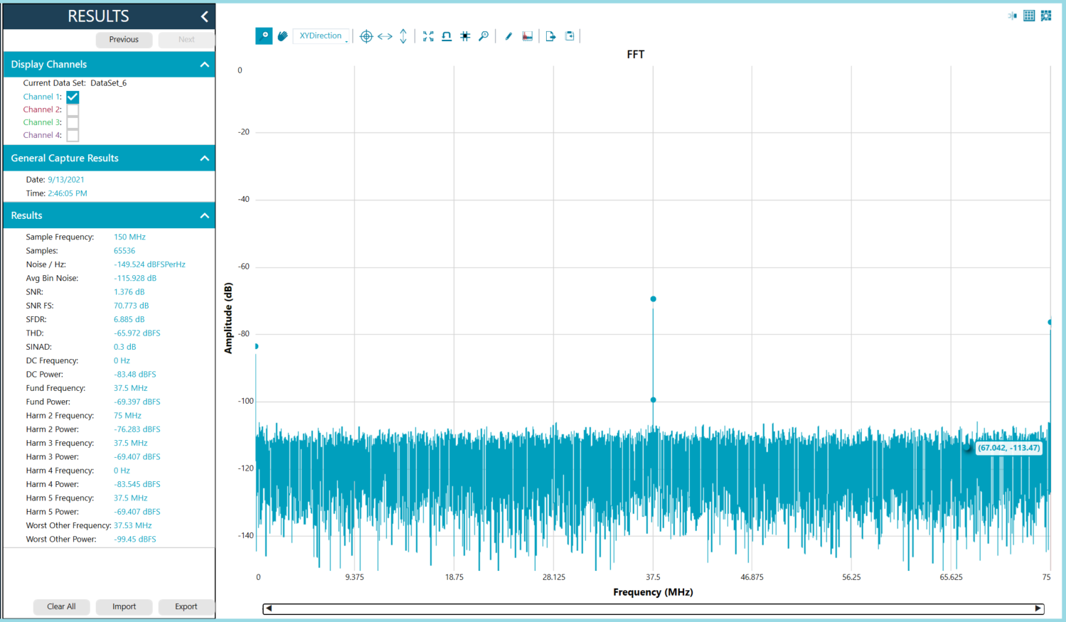
 | Fs/16 | Fs/8 | Fs/4
 | (Fs/16) +/- Fin | (Fs/8) +/- Fin | (Fs/4) +/- Fin
 | 2*Fs/16 | 2*Fs/8 | Fs/2
 | (2*Fs/16) +/- Fin | (2*Fs/8) +/- Fin | (Fs/2) +/- Fin
 | 3*Fs/16 | 3*Fs/8
 | (3*Fs/16) +/- Fin | (3*Fs/8) +/- Fin
 | 4*Fs/16 | 4*Fs/8
 | (4*Fs/16) +/- Fin | (4*Fs/8) +/- Fin
 | .
 | .
 | .
 | 8*Fs/16
 | (8*Fs/16) +/- Fin

Example
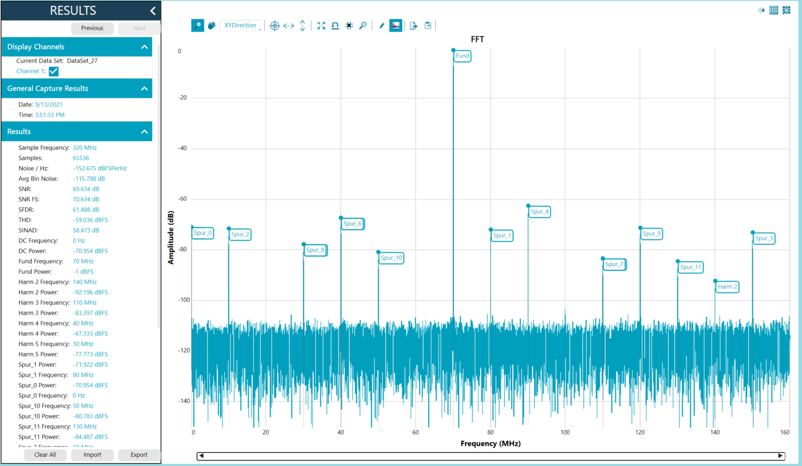
Example: 70MHz at 320MSPS

